1.ELBOW METHODS(SUITABLEKVALUE)
WAYS OF CHOOSING BEST K VALUE FOR KNN K NEIGHBOUR MODEL | REFERENCE

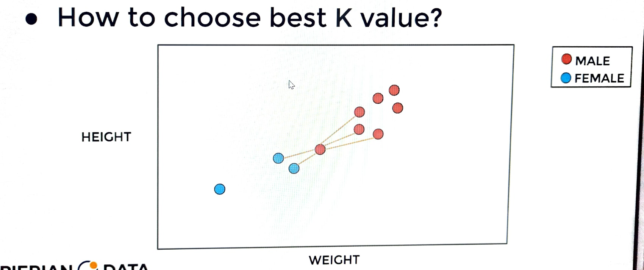 | ⇰REFERENCE (Website)-->Udemy Regarding Conceptual & Practical Understanding of How to Choosing Best K Values in KNN K Neighbour Model

 | ⇰REFERENCE (Website)--> Scikit Learn Regarding Various Hyper Param Applicable in KNN-K nearest Neighbour Model (Classifier)

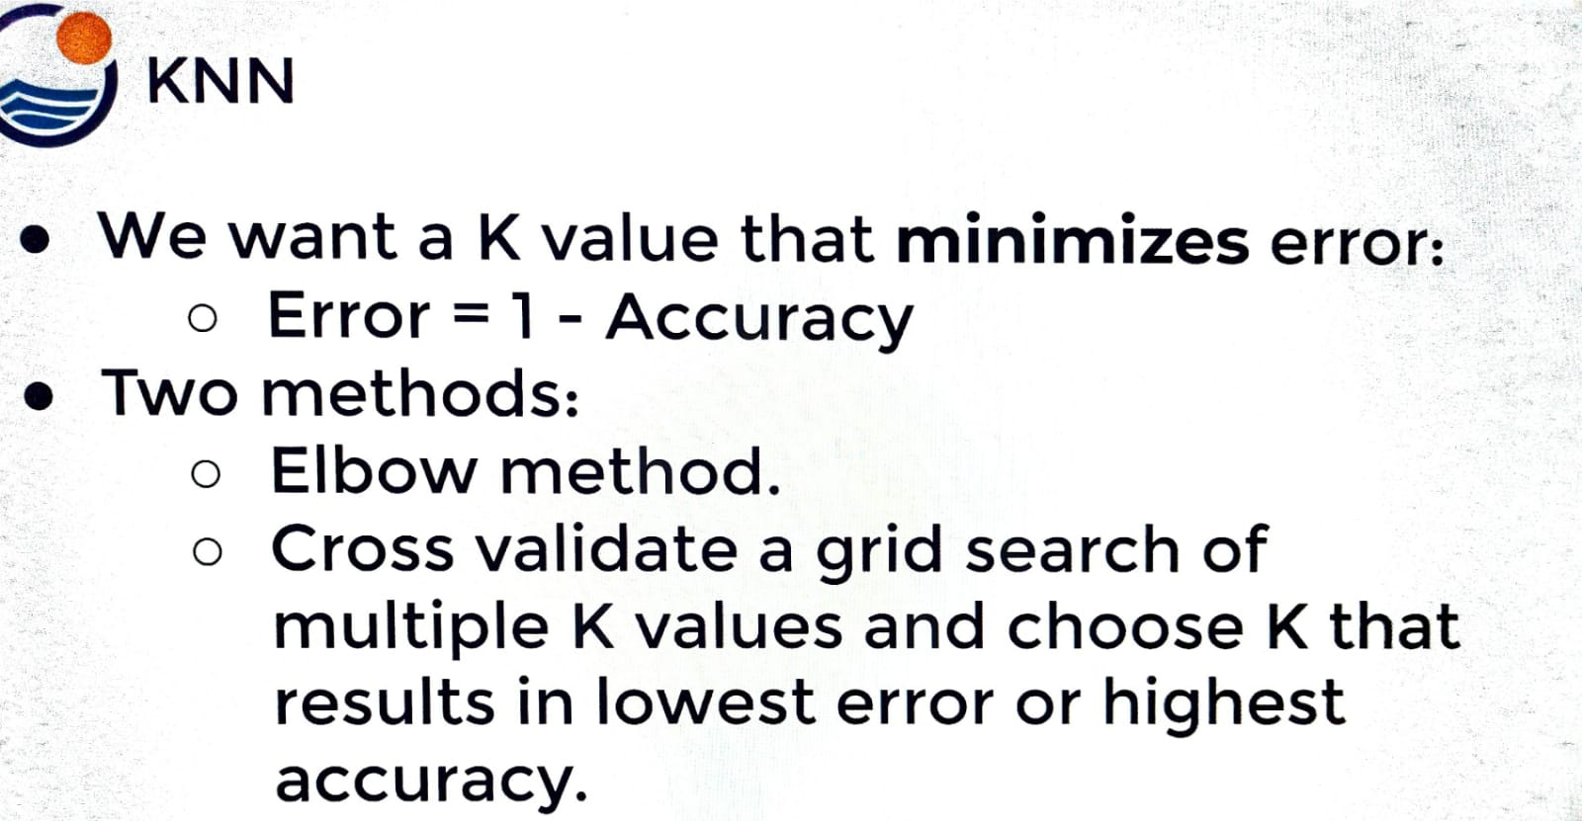

∎CHOOSING BEST K VALUE (N_NEIGHBOURS) & WHAT ARE THE WAYS FOR CHOOSING BEST K VALUE

❶ELBOW METHODS ❷GRID SEARCH CV + PIPELINE WITH MULTIPLE K VALUES

∎ 1.ELBOW METHODS | ⇰REFERENCE (Website)-->Udemy Regarding Conceptual & Practical Understanding of How to Choosing Best K Values in KNN K Neighbour Model

❶In the Elbow method, we are actually varying the number of clusters ( K ) from 1 – 10. ❷Basically in Elbow Method Just Like BIAS - VARIANCE TRADEOFF , there will be k value ranging from 1 to 10 correspond against Error rate & we have to choose best of k value in correspond to in which error rate is minimum & complexity of the model is minimum too or doesn't make sense to to add more complexity when there is not enough improvement in error rate reduction.

 | ⇰REFERENCE (Website)-->Scikit Learn Regarding Various Hyper Param Applicable in KNN-K nearest Neighbour Model (Classifier)

⇰The way elbow methods work in general is you're going to train a model with multiple K values on the same set of training points, and then you're going to test all these models that you're using different K values on the same test set. & what are you going to do is you're going to mark down the error rate for each K value. | ⇰REFERENCE (You Tube)-->Krishna Naik Regarding Conceptual & Practical Implemetation of KNN -K Nearest Model

⇰Testing Different K values on this Models And what are you going to do is you're going to mark down the error rate for each K value & typically what you see, not always it depends on the data set is at the start when you begin to increase K you're gathering more signal from your training data points.So you will see a sharp reduction in the error rate. ⇰But eventually for most data sets, you get this elbow point where as you begin to increase K somewhere around the range of let's say K is equal to thirty (30).On this plot, we can see we're really not reducing the error rate that much.Pass this value of K, you're only beginning to reduce the error rate by about 1% & this is where a human data scientist can make the decision whether or not to vastly increase a K for a small reduction in error.You're increasing the complexity of your model, and sometimes that may or may not be worth it. ⇰The Main Question Need to ask yourself is After Analysing Graph (Above) Is it worth it to add the complexity of your model to consider 15 more n_neighbors when really just considering (6)six pretty much gets you almost the exact same error performance, especially on this particular train test split.

 | ⇰REFERENCE (You Tube)-->Krishna Naik Regarding Thereotical & Conceptual Understanding & Difference in Between Euclidean Distance & Manhattan Distance

▣So To Answer above Question In Next Step (Next Worksheet) We will actually perform a grid search with cross-validation to see whether or not it's worth it to jump that high to something like 22. Maybe it's worth it maybe just to go to like 15 or 18, 19.

PRACTICAL IMPLEMENTATION OF ELBOW METHOD (ONLY TEST ERROR RATES FOR K VALUES (1-30))

▣ Like len(k=30) then len(error_rate) must be 30.
⇰NOTE --> For Loop in X_AXIS len(K) must match (x axis) match with y axis (error_rate) Y_AXIS Otherwise it will throw an error.

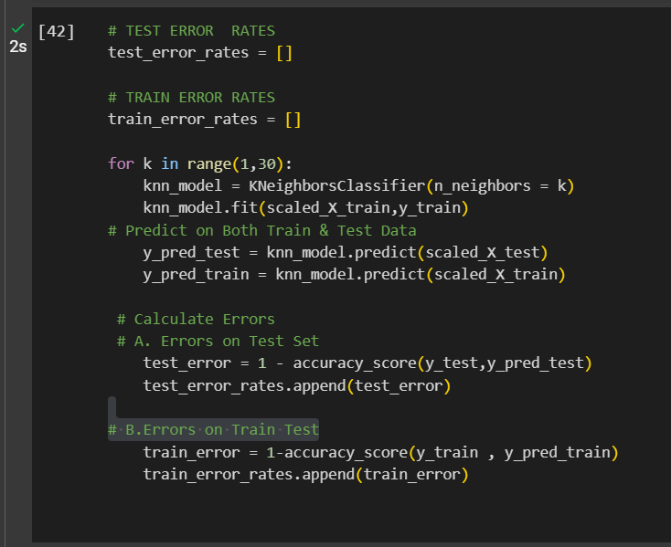

▣1.PRACTICAL IMPLEMENTATION OF ELBOW METHOD (ERROR RATE VS K VALUE (1-30) TEST ERROR RATE) SIMILAR TO BIAS VARIANCE TRADEOFF

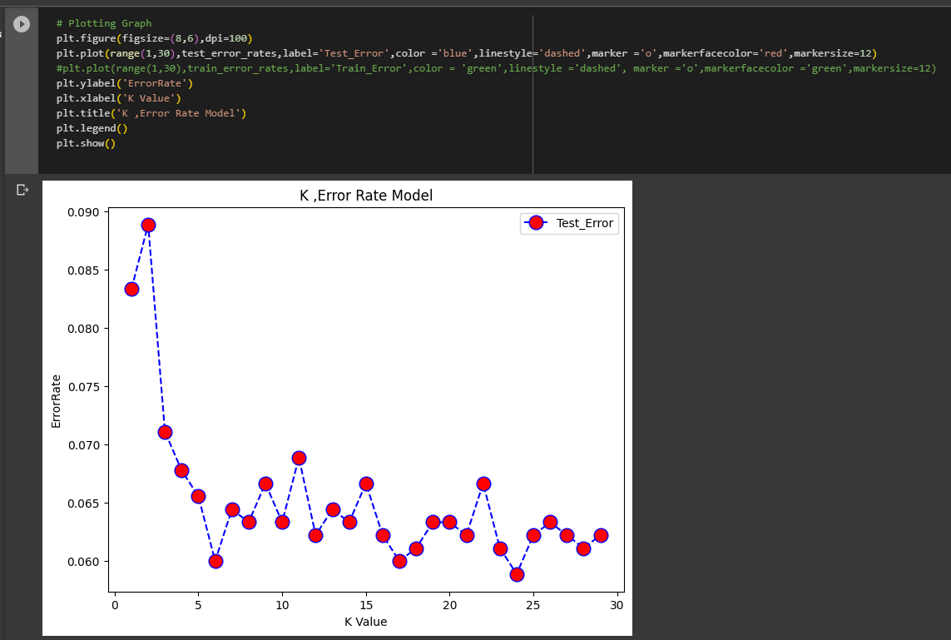 | ⇰REFERENCE (Website)-->Google Colab 1.3 (ML) Polynomial Regression Regarding Conceptual & Practical Implementation Regarding BIAS VARIANCE TRADEOFF

 | ⇰REFERENCE (Website)-->1.8(i) Google Colab KNN K Nearest Neighbour Model Regarding Choosing Most suitable K Values (TEST ERROR RATES) By Elbow Methods

▣2.PRACTICAL IMPLEMENTATION OF ELBOW METHOD (ERROR RATE VS K VALUE (1-30) TEST ERROR RATE VS TRAIN ERROR RATE)

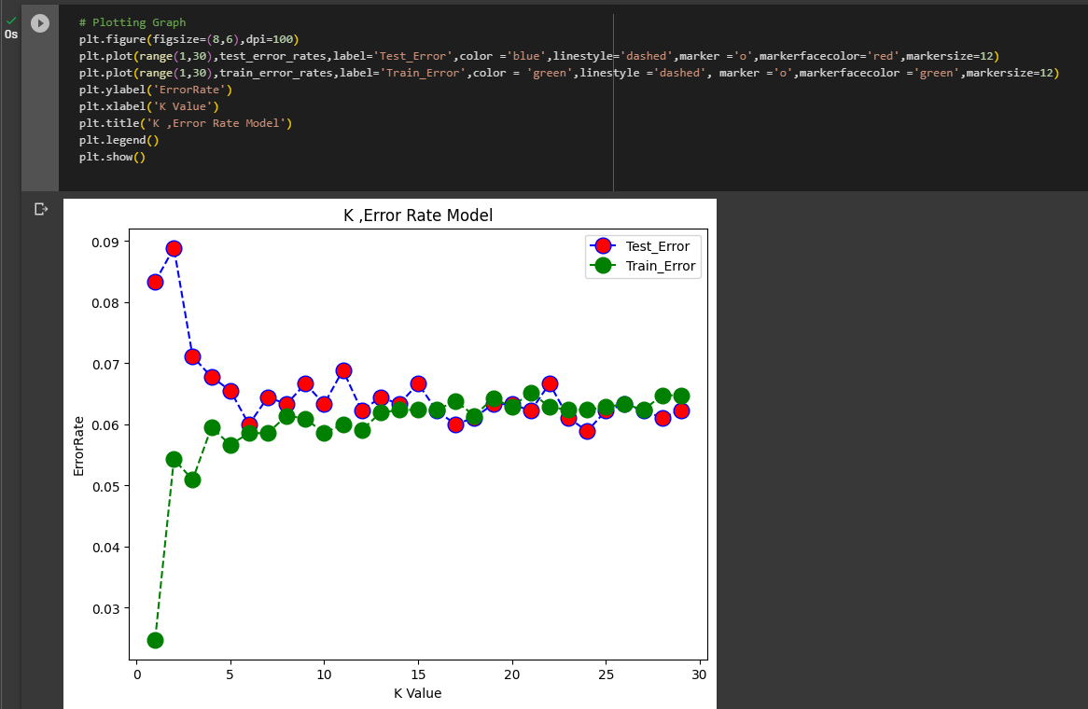 | ⇰REFERENCE (Website)-->1.8(i) Google Colab KNN K Nearest Neighbour Model Regarding Choosing Most suitable K Values (TEST ERROR RATES VS TRAIN ERROR RATES) By Elbow Methods

2.K VALUE(PIPELINE+GRID SEARCH)
WAYS OF CHOOSING BEST K VALUE FOR KNN K NEIGHBOUR MODEL | REFERENCE

 | ⇰REFERENCE (Website)-->Udemy Regarding Conceptual & Practical Understanding of How to Choosing Best K Values in KNN K Neighbour Model

 | ⇰REFERENCE (Website)-->Scikit Learn Regarding Various Hyper Param Applicable in KNN-K nearest Neighbour Model (Classifier)

 | ⇰REFERENCE (You Tube)-->Krishna Naik Regarding Conceptual & Practical Implemetation of KNN -K Nearest Model

 | ⇰REFERENCE (You Tube)-->Krishna Naik Regarding Thereotical & Conceptual Understanding & Difference in Between Euclidean Distance & Manhattan Distance

∎CHOOSING BEST K VALUE (N_NEIGHBOURS) & WHAT ARE THE WAYS FOR CHOOSING BEST K VALUE

❶ELBOW METHODS ❷PIPELINE (+) GRID SEARCH CV WITH MULTIPLE K VALUES

∎ 2.PIPELINE + GRID SEARCH CV

⇰What is Pipeline in Machine Learning ? | ⇰REFERENCE (You Tube)-->Krishna Naik Regarding Conceptual & Practical Implemetation of KNN -K Nearest Model
❶The term Pipelining refers to a technique of decomposing a sequential process into sub-operations, with each sub-operation being executed in a dedicated segment that operates concurrently with all other segments.The most important characteristic of a pipeline technique is that several computations can be in progress in distinct segments at the same time. The overlapping of computation is made possible by associating a register with each segment in the pipeline. The registers provide isolation between each segment so that each can operate on distinct data simultaneously.

 | ⇰REFERENCE (You Tube)-->Krishna Naik Regarding Thereotical & Conceptual Understanding & Difference in Between Euclidean Distance & Manhattan Distance

❷Using Pipeline Function for running Single Operation (Sub Operation --> 1. Feature Scaling) + (Sub Operation -->2.K Neighbour Model)

①In This Case We will Use Pipeline Function For simultaneously running FEATURE SCALING (STANDARD SCALING) & K NEIGHBOUR in (single operation mode) parallel mode so I don't need to Follow sequence (Like 1st Feature caling & Then 2nd K Neighbour ML Model) After that I can feed them the raw unskilled data that is X train X test & it will automatically performed Feature scaling & use the resultant in Kneighbour model (Model Creation).

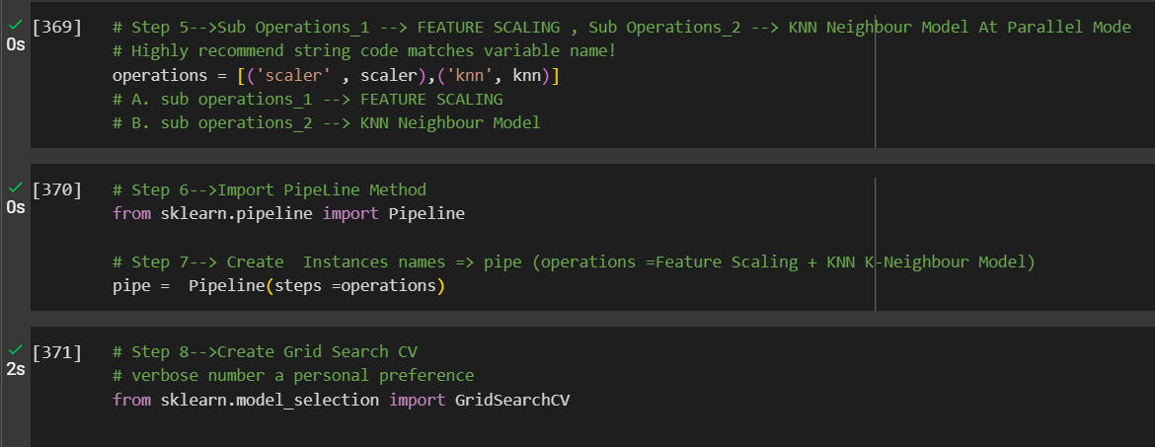  | ⇰REFERENCE (Website)-->1.8(i) Google Colab KNN K-Nearest Neighbours Regarding Conceptual & Practical Implementation KNN Model + Pipeline Function + Grid Search CV



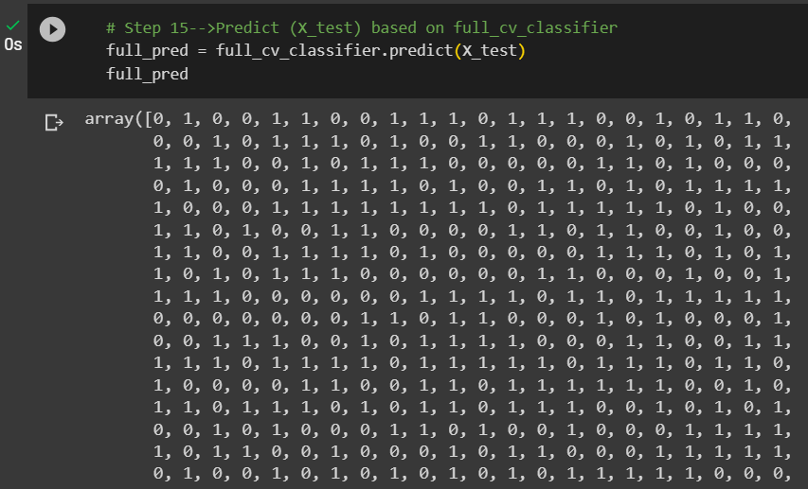

▣FINAL MODEL (PIPELINE FUNCTION WITHOUT GRID SEARCH CV AT HYPER PARAM (N_NEIGHBOUR=19)

 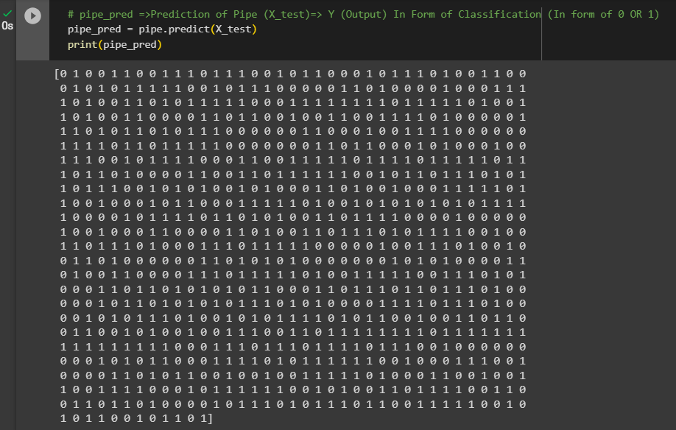 | ⇰REFERENCE (Website)-->1.8(i) Google Colab KNN K-Nearest Neighbours Regarding Conceptual & Practical Implementation KNN Model + Pipeline Function + Without Grid Search CV at @ Hyper Parameter N_Neighbour=19

